Instructions
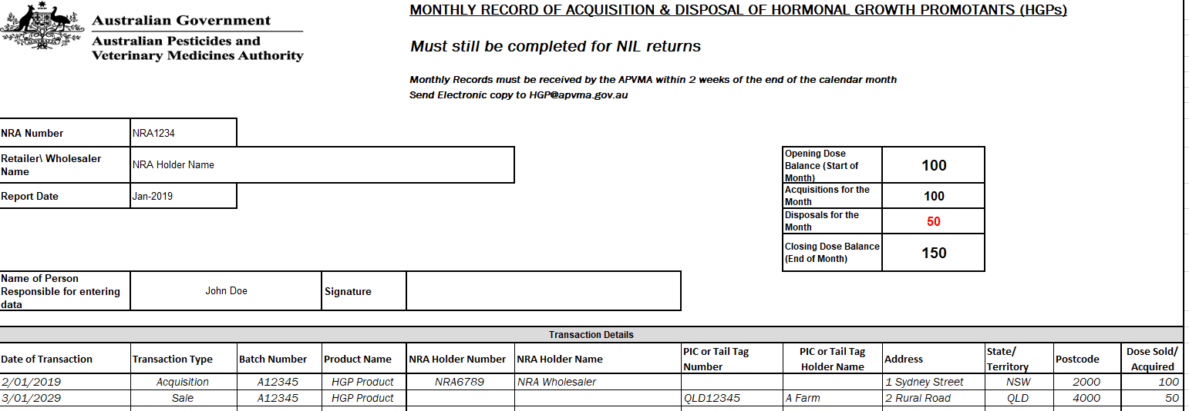
How to complete your HGP return
Lodge the return for that month by the 14th of the following month
Must still be completed for NIL Returns
If you have any question regarding this form please email: hgp@apvma.gov.au
Enter your NRA number e.g. NRA1234
NRA Holder name auto populates
Enter Report date
MM-YYYY
Enter opening dose balance as at the beginning of the month
Date acquisition or disposal took place
DD/MM/YYYY
Drop down will appear to select type of transaction
Acquisitions: Wholesaler purchase or product transferred from another HGP retailer
Sale: Sale to customer or Transferred to another NRA Holder
Return: Product returned to wholesaler
Disposal: Product destroyed (proof of disposal required)
Batch number of HGP
Product name of HGP i.e. Compudose
NRA number of recipient if applicable
E.g. NRA1234 Holder name will appear automatically
PIC or Tail tag number of purchaser, Ensure PIC number is valid PIC - 8 characters long (Can be verified at
Click here to verify PIC
Enter number of individual doses sold not boxes sold. in multiples of 10
Ensure you enter your name and sign the return an electronic signature is preferred.
NRA Holder name auto populates
Address details required
Holder name Required

